Sheet1
mouse IGHG (practice)
A simplified workflow for monoclonal antibody sequencing, Meyer L., et al. June 24, 2019.
 | ID #1 | Sequence #1 | Molecularweightg/mol | Extinctioncoefficientl/(molÀôcm) | Tm¬∞C | ID #2 | Sequence #2 | Molecularweightg/mol | Extinctioncoefficientl/(molÀôcm) | Tm¬∞C | AnnealingTemperature¬∞C | Platinum SuperFi DNA polymerase
RT | Primer#1 | AAGCAGTGGTATCAACGCAGAG | 6817.5 | 228500 | 65.7 | Primer#2 | AGCTGGGAAGGTGTGCACAC | 6207.1 | 197700 | 68.1 | 65.7
PCR | Primer#1 | AAGCAGTGGTATCAACGCAGAG | 6817.5 | 228500 | 65.7 | Primer#2 | GGGATCCAGAGTTCCAGGTC | 6158.1 | 195000 | 64.5 | 64.5
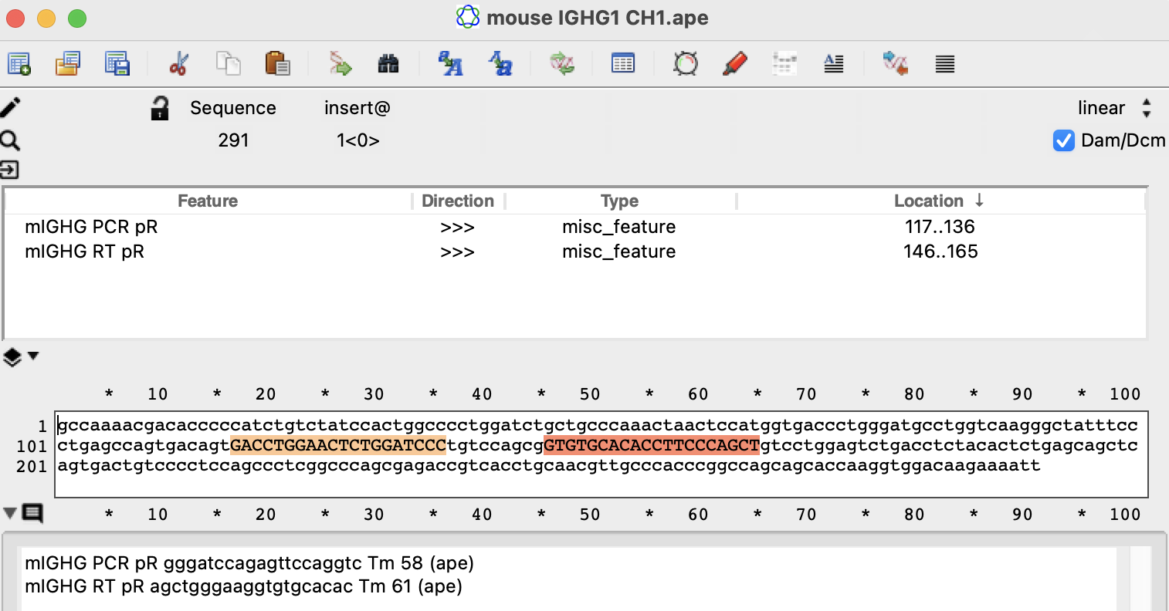
IGHG mouse
 | mIGHG RT pR agctgggaaggtgtgcacac Tm 61 (ape)

 | mIGHG PCR pR gggatccagagttccaggtc Tm 58 (ape)

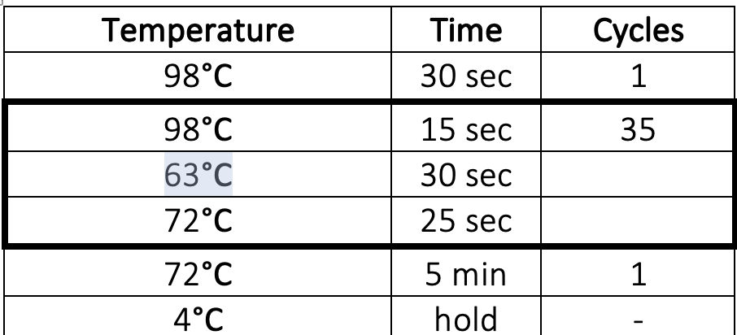

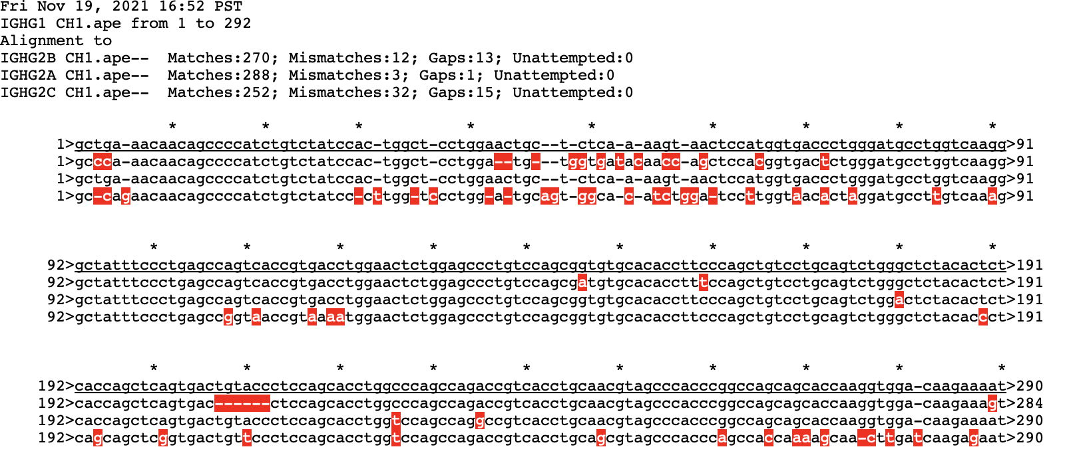
rat IGHG
rat IGHG CH1 alignments (G1 v G2A v G2B v G2C)
highlight the IGHG aligned seq in blue

 | order TS pF as custom RNA oligo
universal TS pF | AAGCAGTGGTATCAACGCAGAGTACATrGrGrG
ISPCR pF | aagcagtggtatcaacgcagag

rat IGHG RT pR | GGACAGGGCTCCAGAGTTCC
(third blue highlight) | Tm 60 (ape)
 | Tm 67.1 (platinum buffer)
 | comparable to mIGHG RT (68.1C)

rat IGHG PCR pR | GACTGGCTCAGGGAAATAGCC
(second blue highlight) | Tm 59 (ape)
 | Tm 65.6 (platinum buffer)

rat IGHG PCR pR (backup) | GGATAGACAGATGGGGCTGTTG
(first blue highlight) | Tm 58 (ape)
 | Tm 65.5 (platinum buffer)

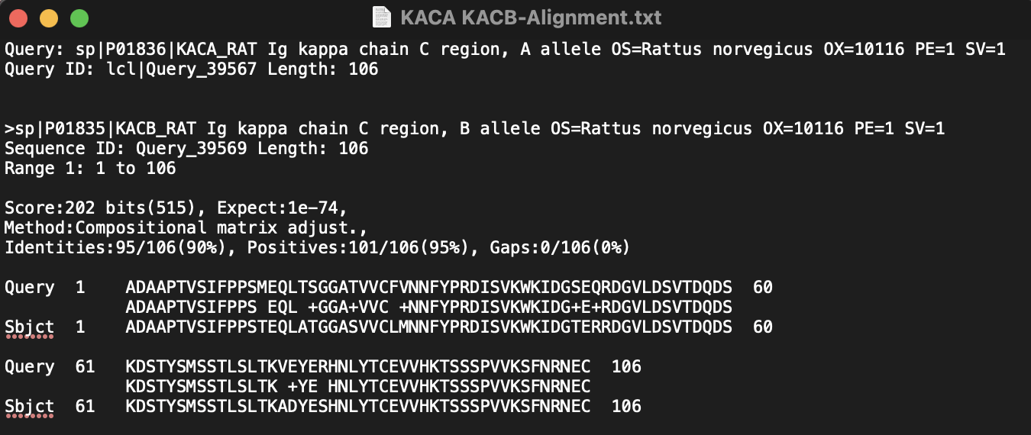
rat IGKC
rat IGKC RT pR | CTGATCAGTAACACTGTCCAGGAC
(second blue highlight) | Tm 58 (ape)
 | Tm 65.3 (platinum buffer)

rat IGKC PCR pR | CACTGATGTCTCTGGGATAGAAGTTG
(first blue highlight) | Tm 58 (ape)
 | Tm 65.5 (platinum buffer)

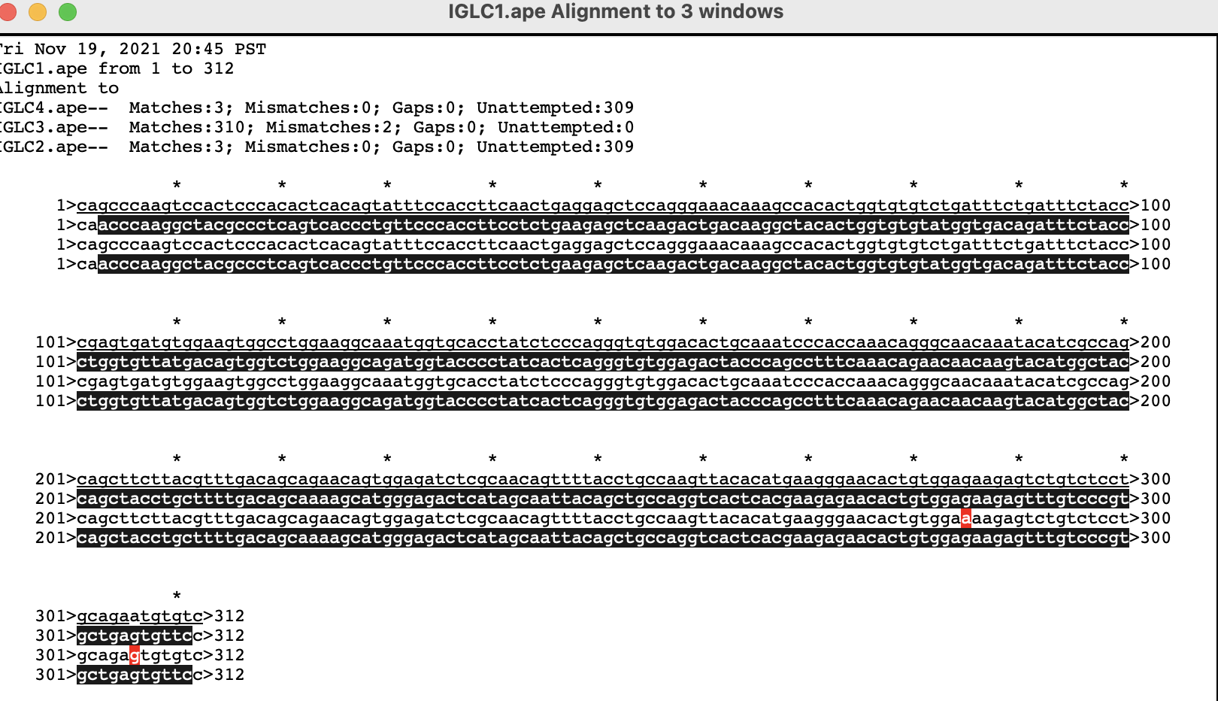
rat IGLC
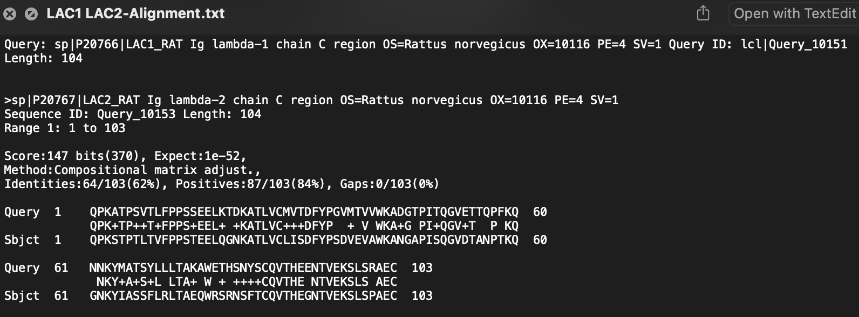

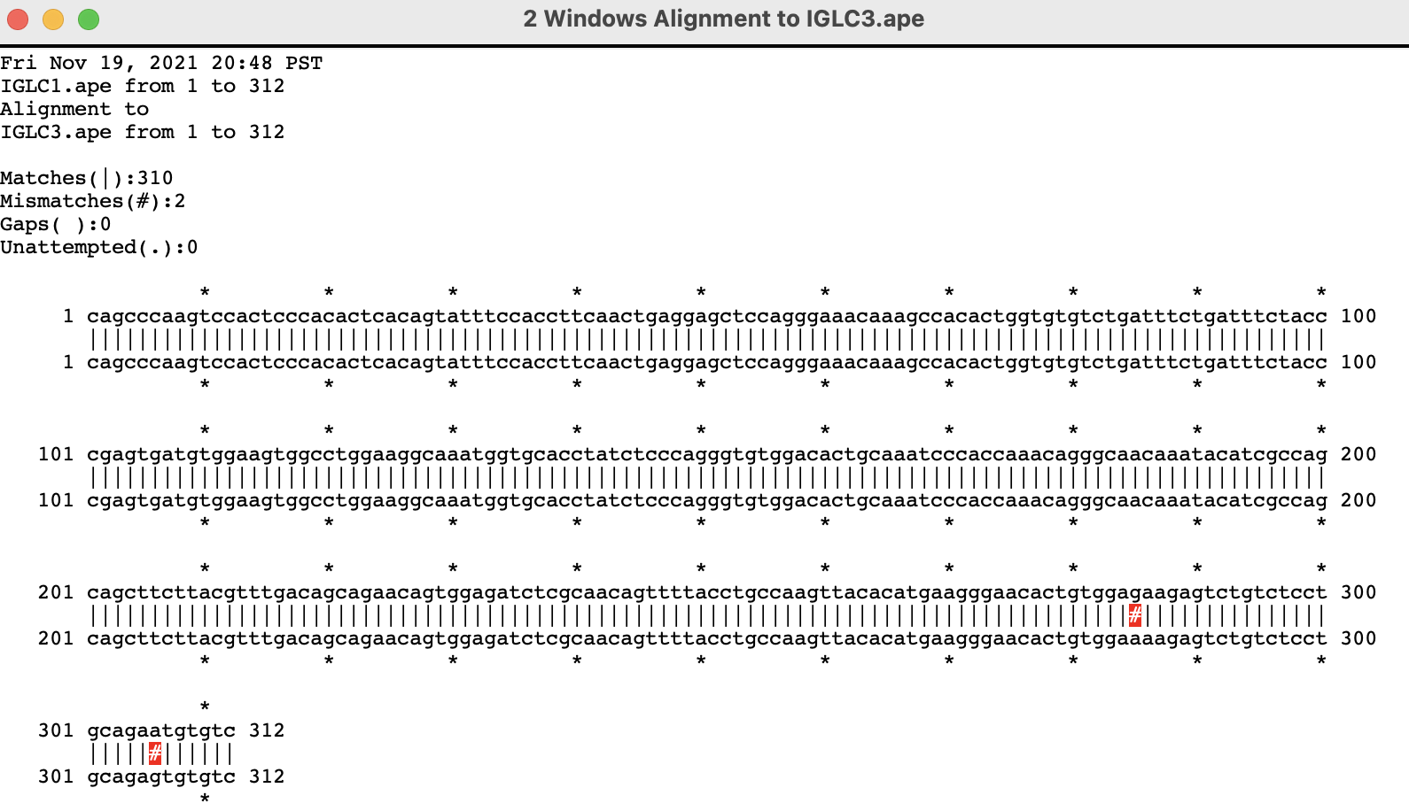
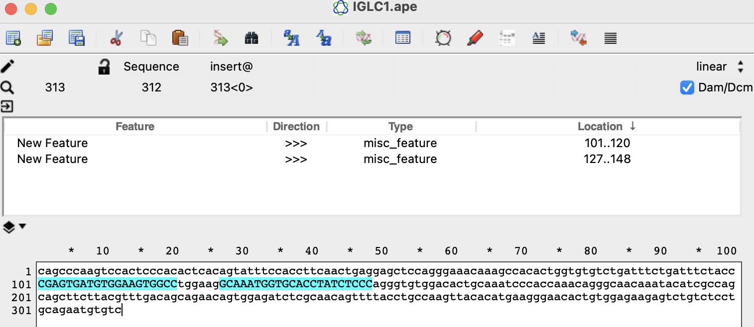
rat IGLC 1/3
rat IGLC1 RT pR | GGGAGATAGGTGCACCATTTGC
(second blue highlight) | Tm 60 (ape)
 | Tm 66.5 (platinum buffer)

rat IGLC1 PCR pR | GGCCACTTCCACATCACTCG
(first blue highlight) | Tm 59 (ape)
 | Tm 66 (platinum buffer)

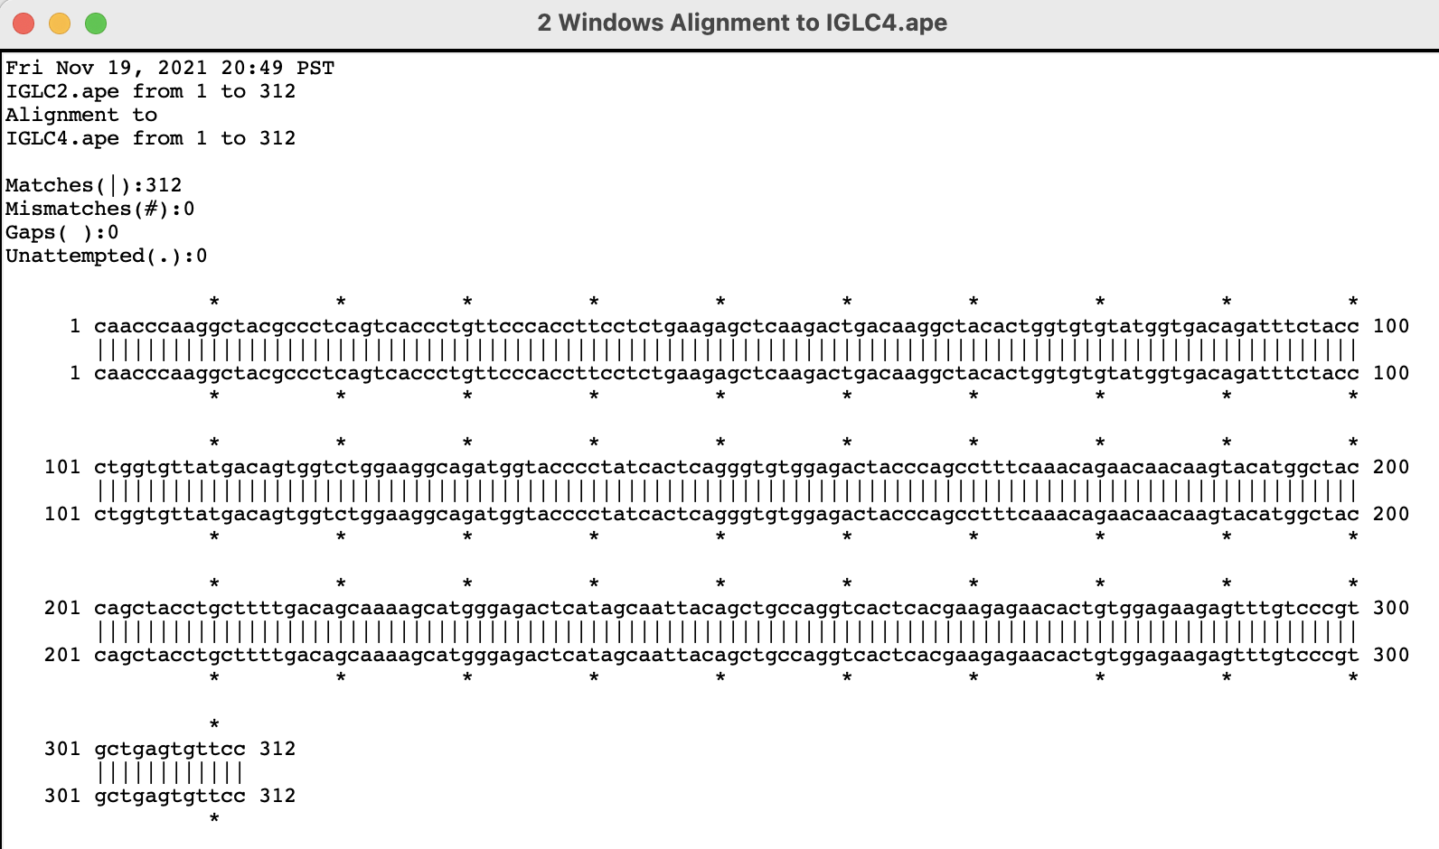
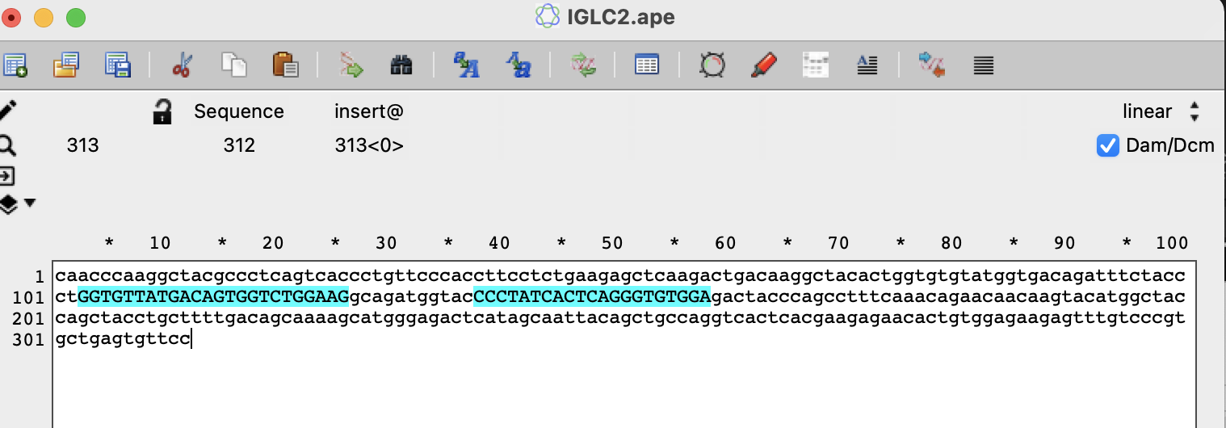
rat IGLC 2/4
rat IGLC2 RT pR | TCCACACCCTGAGTGATAGGG
(second blue highlight) | Tm 59 (ape)
 | Tm 66 (platinum buffer)

rat IGLC2 PCR pR | CTTCCAGACCACTGTCATAACACC
(first blue highlight) | Tm 59 (ape)
 | Tm 66 (platinum buffer)

ORDER THESE:
universal TS pF | AAGCAGTGGTATCAACGCAGAGTACATrGrGrG
ISPCR pF | aagcagtggtatcaacgcagag
rat IGHG RT pR | GGACAGGGCTCCAGAGTTCC
rat IGHG PCR pR | GACTGGCTCAGGGAAATAGCC
rat IGKC RT pR | CTGATCAGTAACACTGTCCAGGAC
rat IGKC PCR pR | CACTGATGTCTCTGGGATAGAAGTTG
rat IGLC1 RT pR | GGGAGATAGGTGCACCATTTGC
rat IGLC1 PCR pR | GGCCACTTCCACATCACTCG
rat IGLC2 RT pR | TCCACACCCTGAGTGATAGGG
rat IGLC2 PCR pR | CTTCCAGACCACTGTCATAACACC

TS614 TSSR1 univ SEQ 1 pF | AAGCAGTGGTATCAACGCAGAGTAC |  |  | 60
TS615 TSSR1 univ SEQ 2 pF | AAGCAGTGGTATCAACGC |  |  | 54

